Sheet1
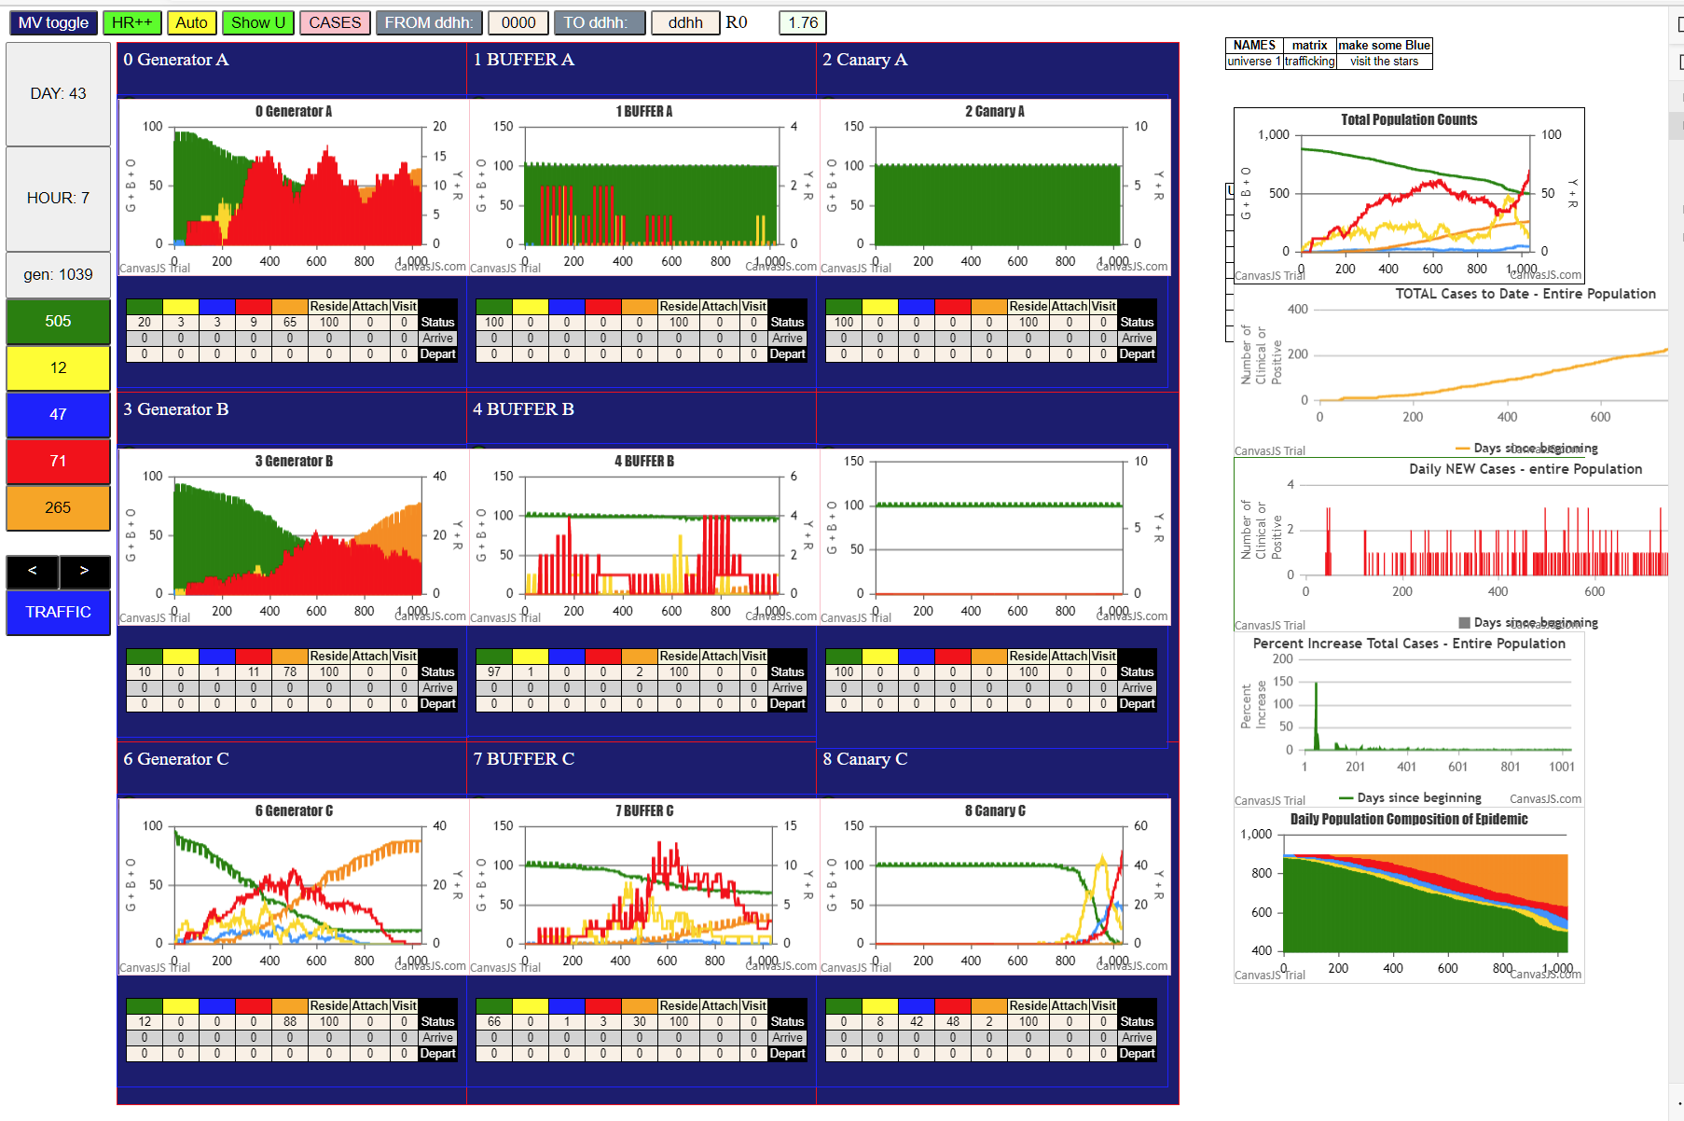

GENERATORS A AND B ARE STILL HELATHY, WHILE C IS DONE
SO EVEN THOUGH CANARY C HAS BECOME ACTIVE, THERE MAY BE A CHANCE FOR SERIES B THOUGH BUFFER A HAS NO INTERNAL CHAINS OF ACTIVITY
SERIES B HAS JUST ONE YELLOW INTERNALLY (TOTAL 100)

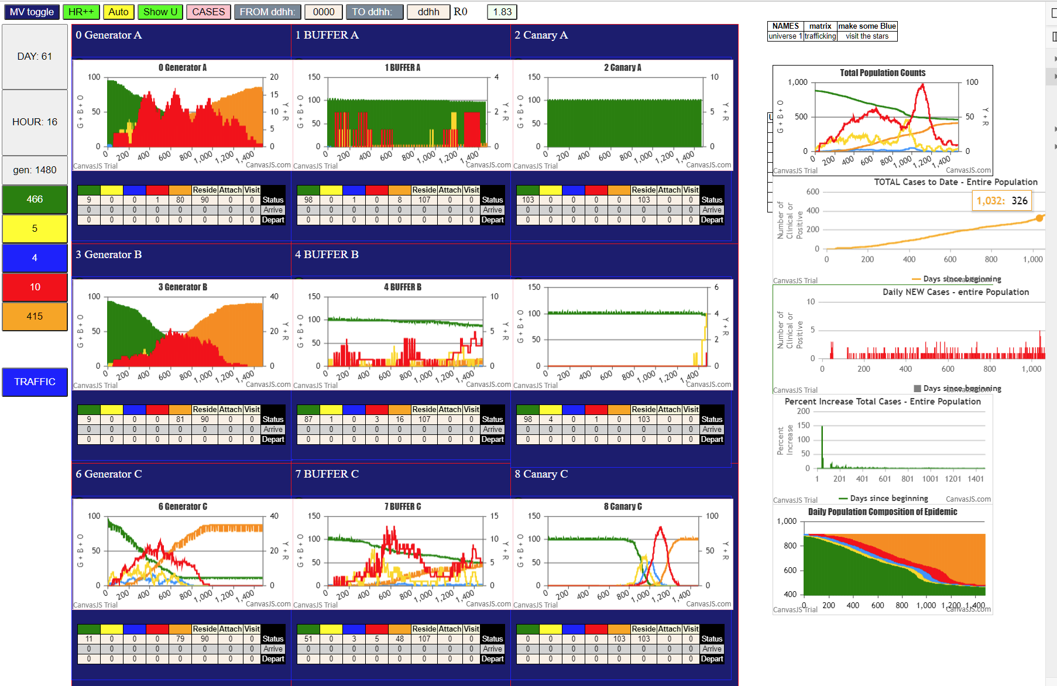

NOW SERIES B HAS CAUSED AN INTERNAL INFECTION WITHIN CANARY B (4 YELLOWS + 1 RED, ONLY 3 VISITORS MEANS 2 INTERNAL INFECTED AGENTS)….
SO WE NOW EXPECT CANARY B TO GO TO COMPLETION, EVEN WHILE CANARY C HAS COMPLETED

SO THE MULTIVERSE SHOULD SEE TWO SURGES!

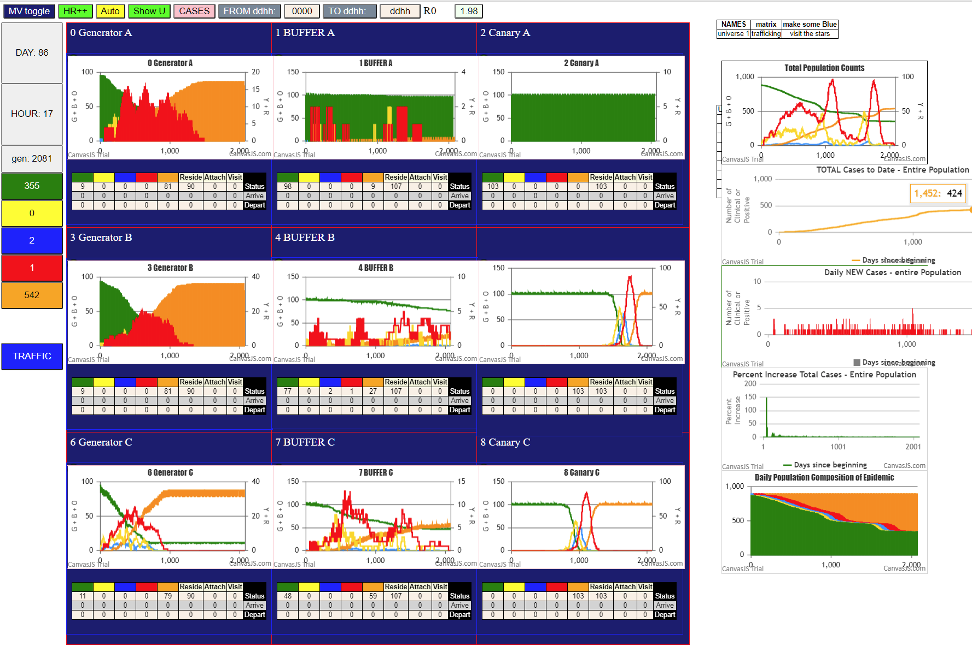

UNIVERSE 1 HAS 3 PEAKS, AND ALL THE BUFFERS HAVE MULTIPLE PEAKS MUCH LIKE "WAVE" BEHAVIOR
GENERATOR B AND C ARE MORE CONE-LIKE AND OF COURSE, THE TWO CANARY UNIVERSES B AND C ARE SHARP SPIKES

THE MOST INTERESTING CHART IS THE METAVERSE WHICH SHOWS TWO SURGES….WE SEE THIS OFTEN BUT THIS
SIMULATION IS AN EXAMPLE OF SURGES THROUGH STOCHASTIC BEHAVIOR WITH NO CHANGE IN EFFECTS….IN OTHER WORDS
WITH THESE PARAMETERS, WE GOT A RUN WITH ONLY CANARY C FIRING, NOT JUST B AND C

WITH DIFFERENT PARAMETERS, OF COURSE WE COULD HAVE ALL CONSUMED, OR ALL NOT INFECTED….

NOTE THAT BUFFER B AND BUFFER C ARE STILL CREATING NEW INFECTIONS, DESPITE THE CANARY GREENS HAVING ALL BEEN CONSUMED

